001
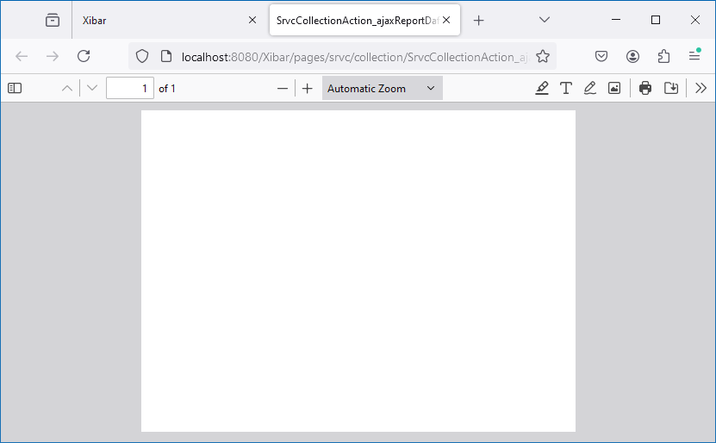
Customer Care | Penyambungan Baru | Pembayaran Biaya Penyambungan Baru
http://localhost:8080/Xibar/pages/srvc/collection/SrvcCollectionAction_list.action?changeCode=A

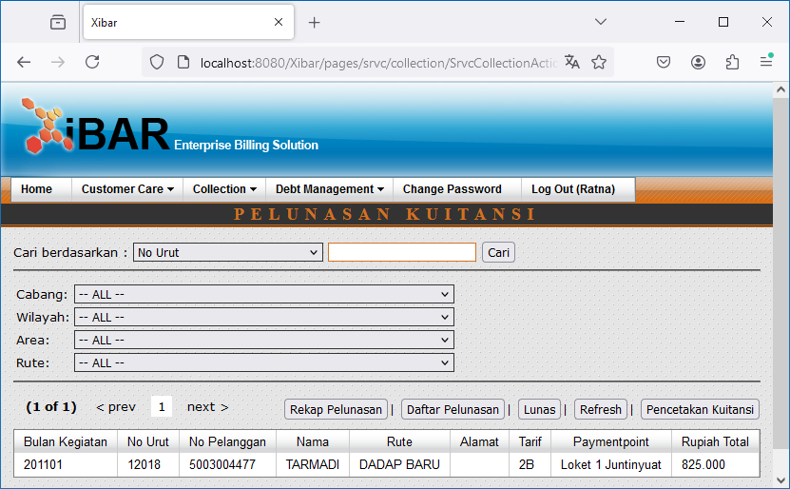

Pencetakan Kuitansi
http://localhost:8080/Xibar/pages/srvc/collection/SrvcCollectionAction_receiptlist.action?changeCode=A

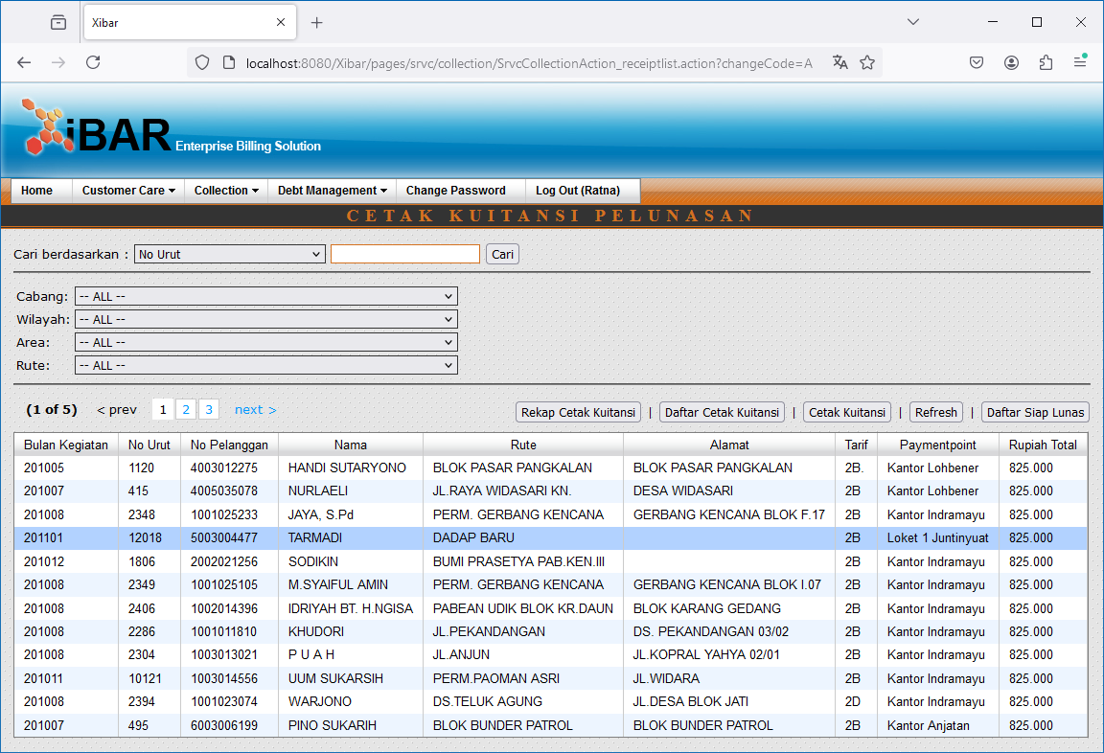

Double Click

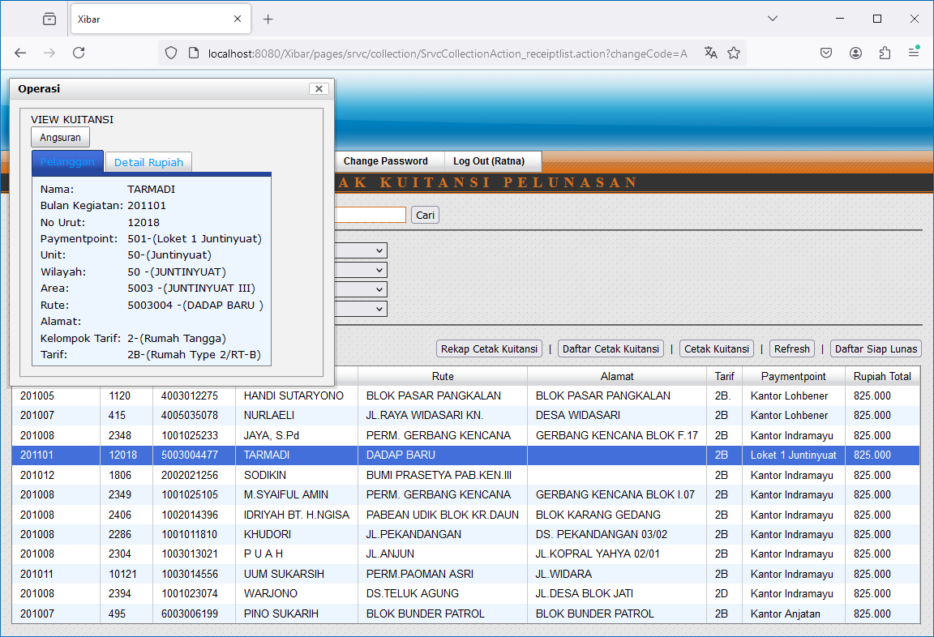
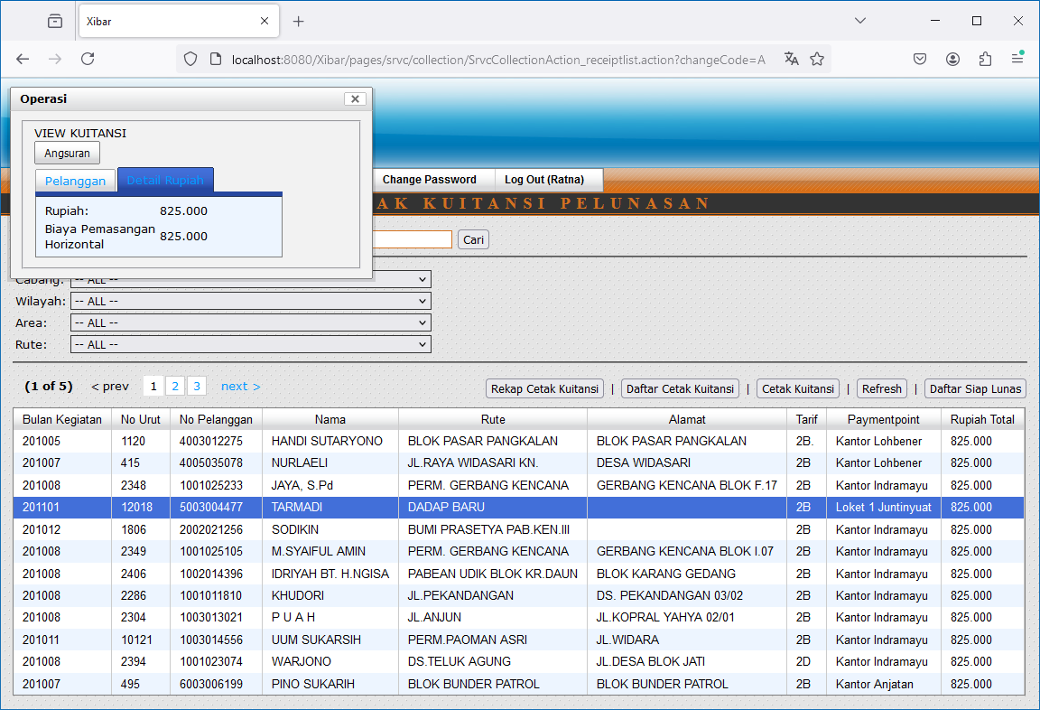

Rekap Cetak Kuitansi // Daftar Cetak Kuitansi

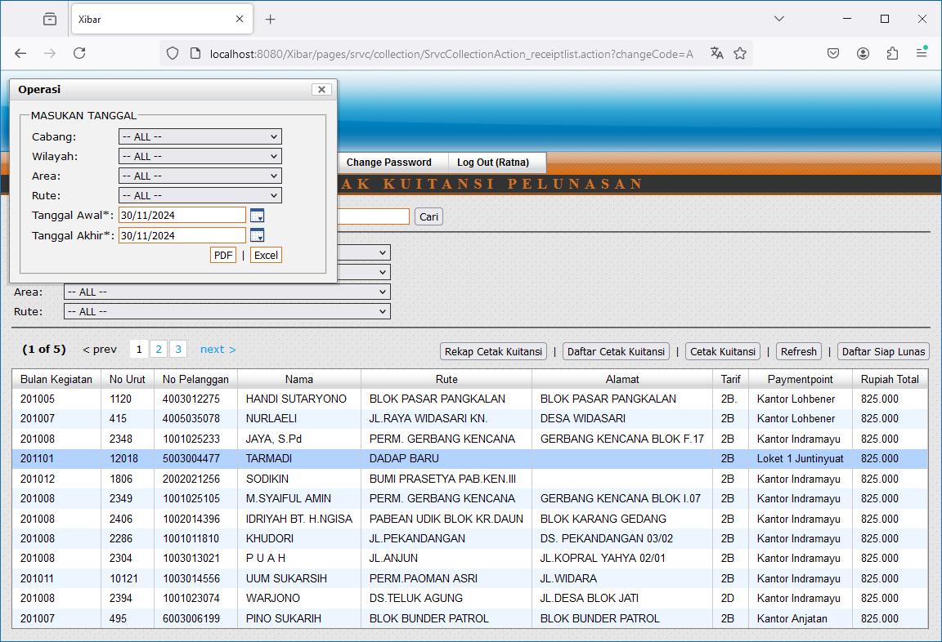

http://localhost:8080/Xibar/pages/srvc/collection/SrvcCollectionAction_ajaxReportRekapCetak.action?&tglAwal=11/30/2022&tglAkhir=11/30/2022&changeCode=A&zoneId=0&areaGroupCode=none&routeGroupCode=none&routeId=none

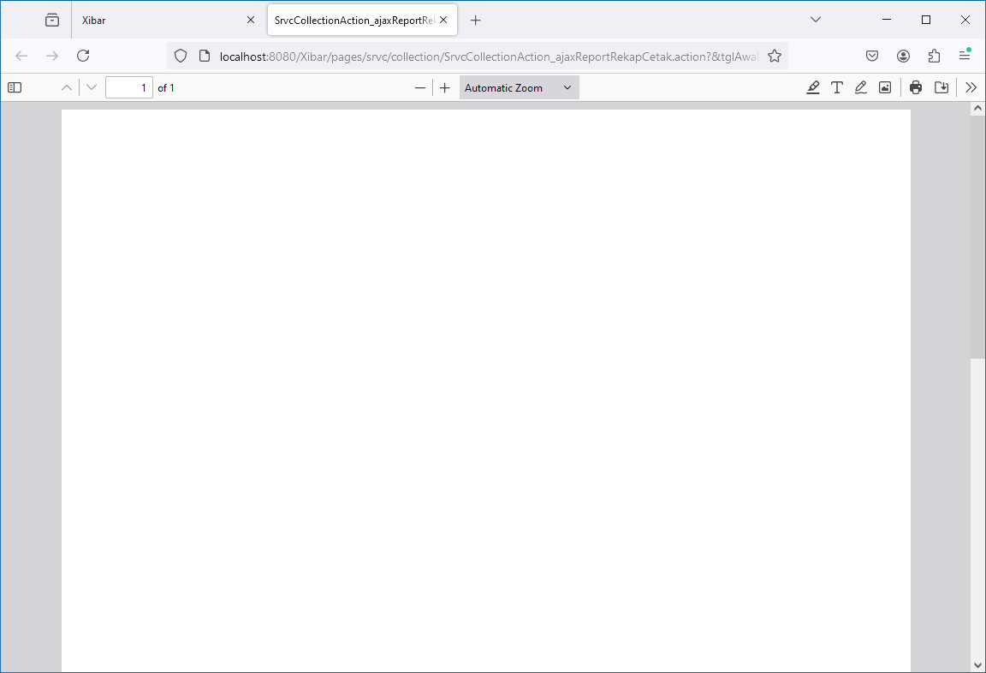
 |  | http://localhost:8080/Xibar/pages/srvc/collection/SrvcCollectionAction_ajaxReportDaftarCetak.action?&tglAwal=11/30/2022&tglAkhir=11/30/2022&changeCode=A&zoneId=0&areaGroupCode=none&routeGroupCode=none&routeId=none

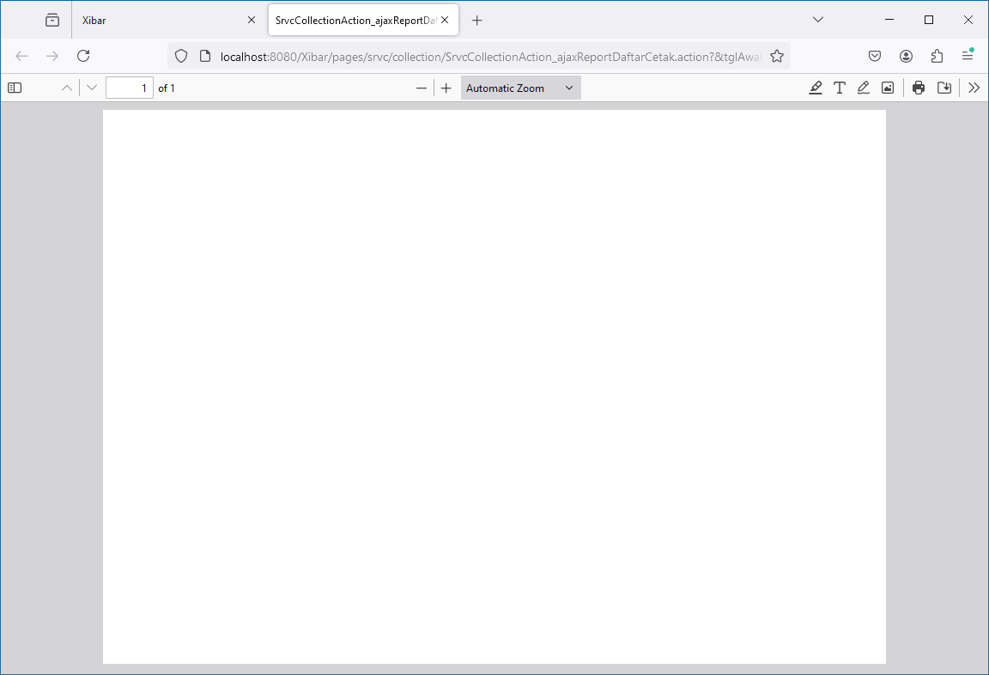

Cetak Kuitansi

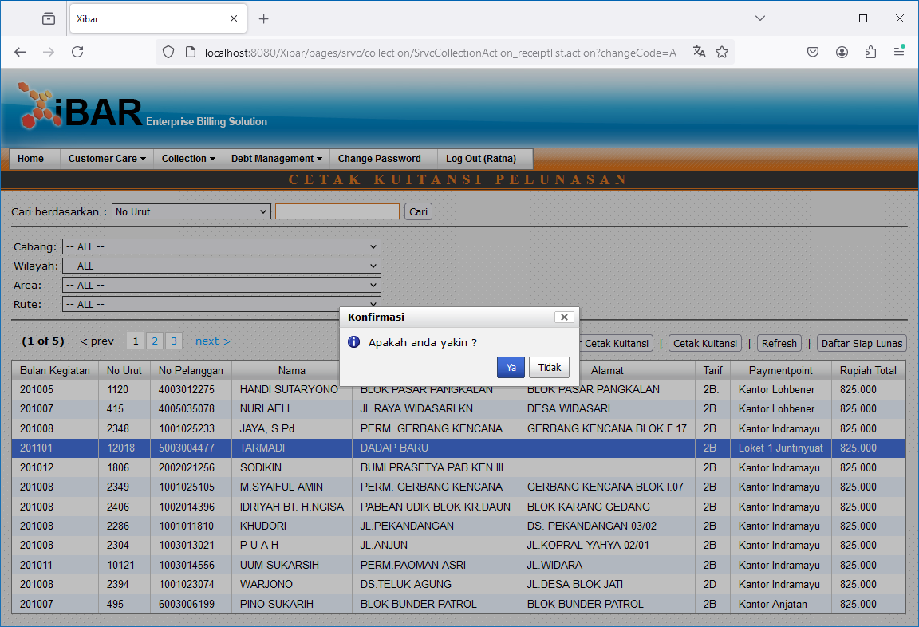

http://localhost:8080/Xibar/pages/srvc/collection/SrvcCollectionAction_ajaxPrint.action

Lunas

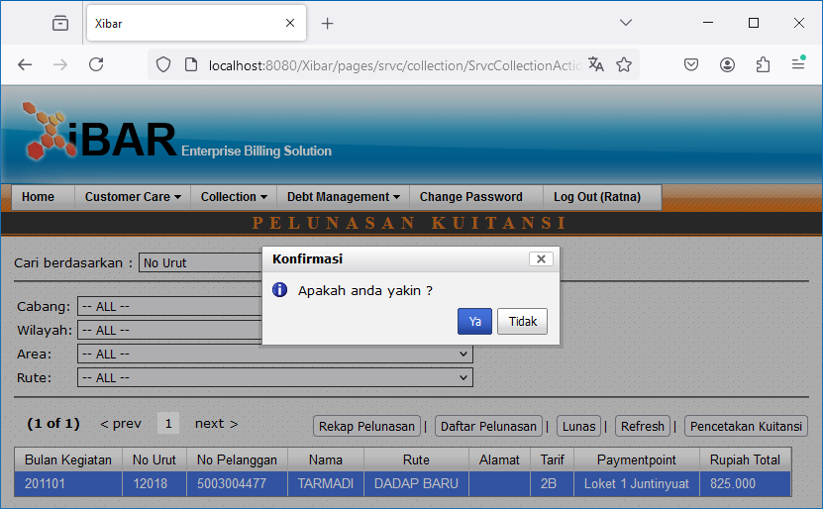

Rekap Pelunasan // Daftar Pelunasan

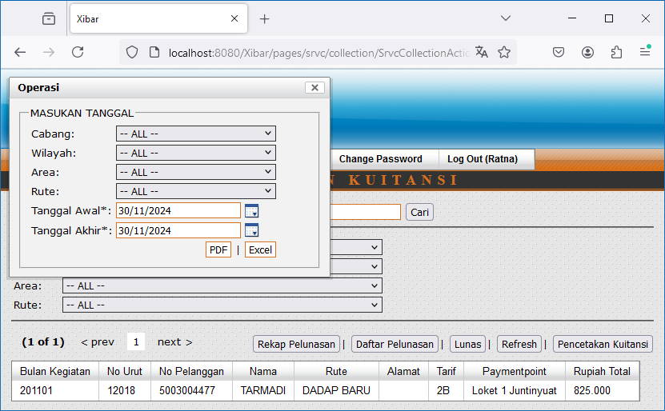

http://localhost:8080/Xibar/pages/srvc/collection/SrvcCollectionAction_ajaxReportRekap.action?&tglAwal=11/30/2022&tglAkhir=11/30/2022&changeCode=A&zoneId=0&areaGroupCode=none&routeGroupCode=none&routeId=none

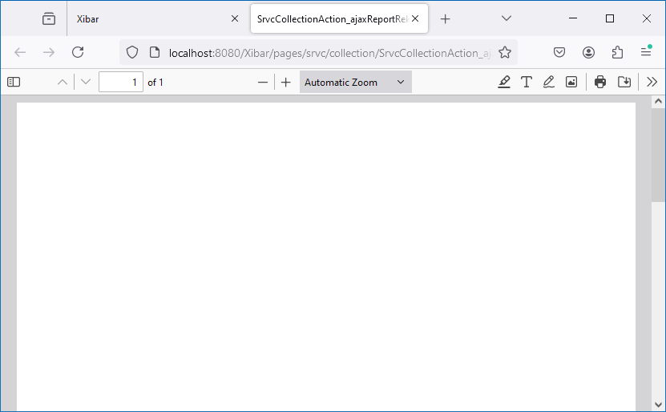
 | http://localhost:8080/Xibar/pages/srvc/collection/SrvcCollectionAction_ajaxReportDaftar.action?&tglAwal=11/30/2022&tglAkhir=11/30/2022&changeCode=A&zoneId=0&areaGroupCode=none&routeGroupCode=none&routeId=none

002
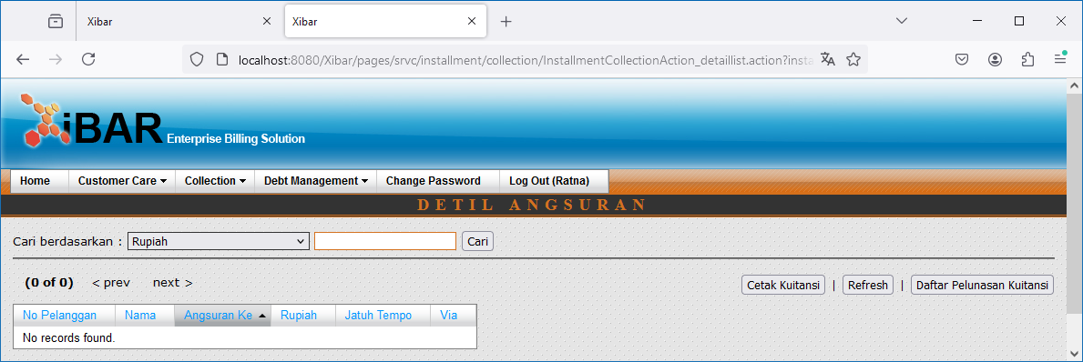
Customer Care | Perubahan Data Pelanggan (Balik Nama) | Pembayaran Biaya Perubahan Data Pelanggan
http://localhost:8080/Xibar/pages/srvc/collection/SrvcCollectionAction_list.action?changeCode=D

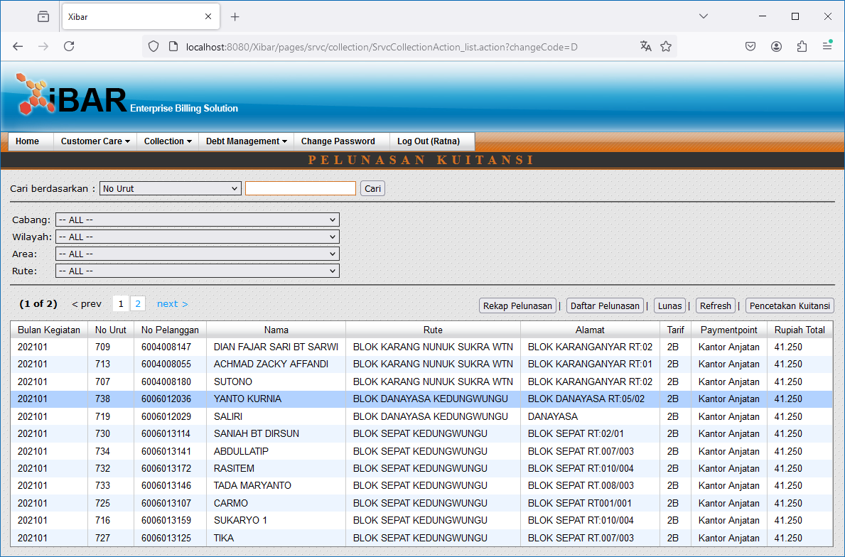

Double Click

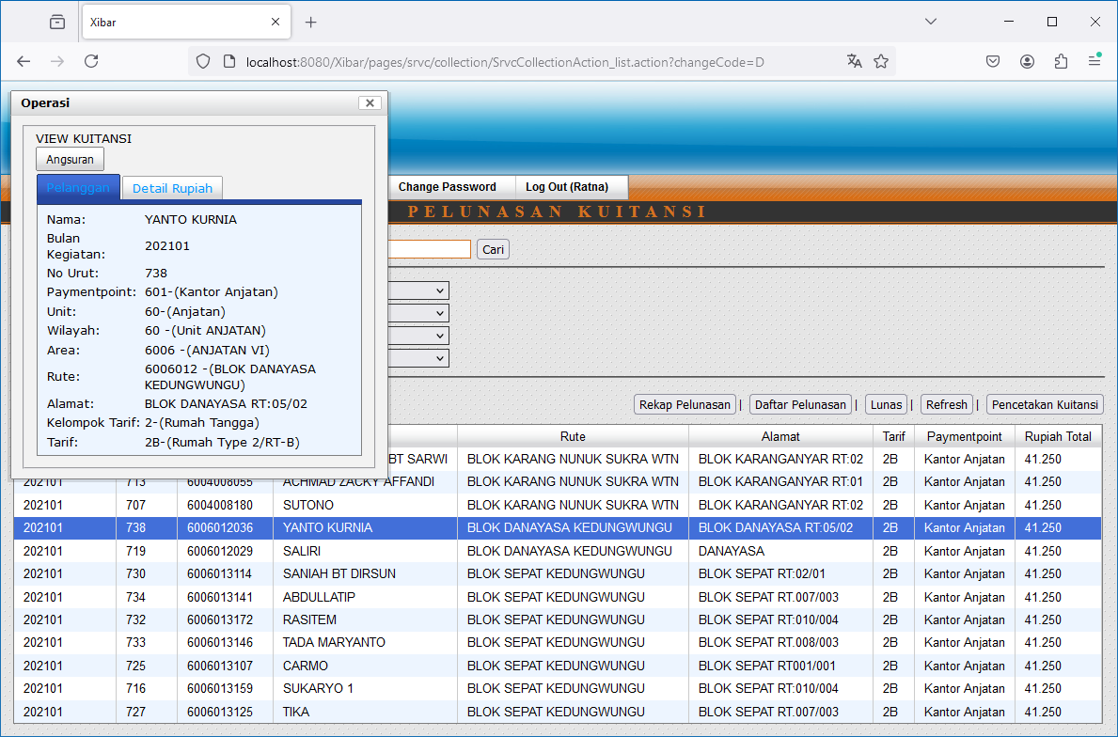
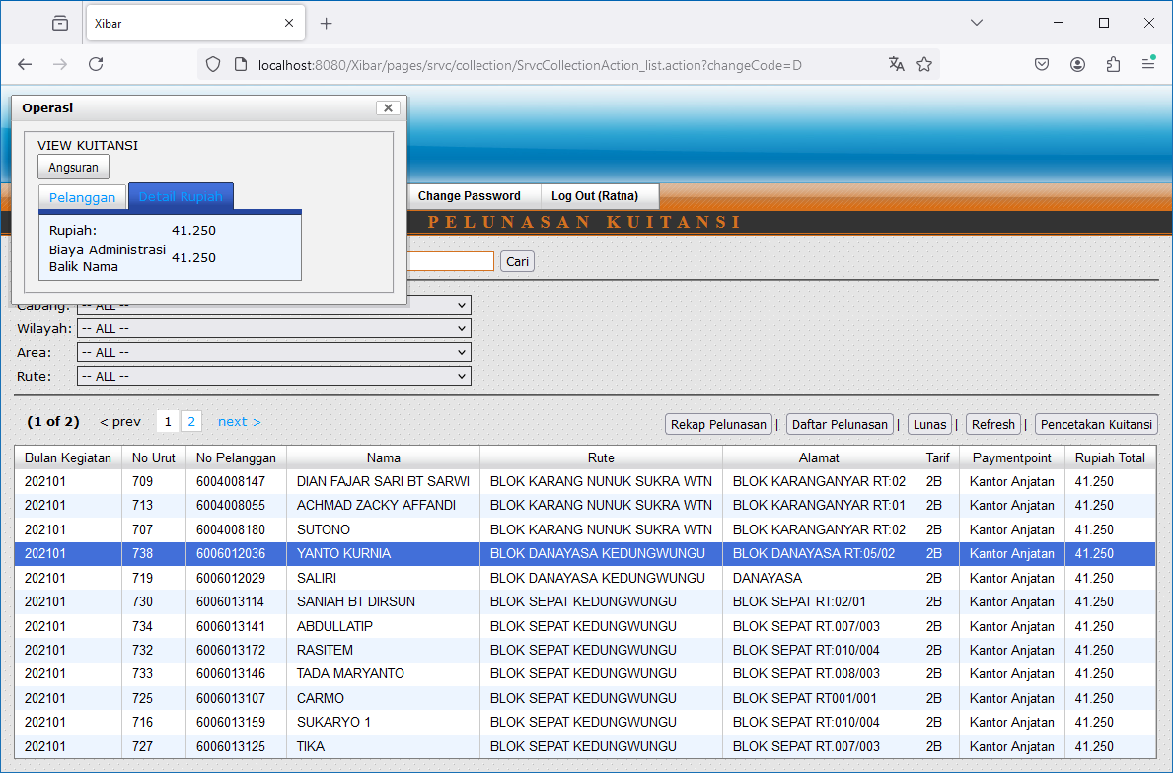

Angsuran
http://localhost:8080/Xibar/pages/srvc/installment/InstallmentAction_listReceipt.action?receiptNbrId=20707e28-2922-42f7-93fb-a3f5cc4dd24b

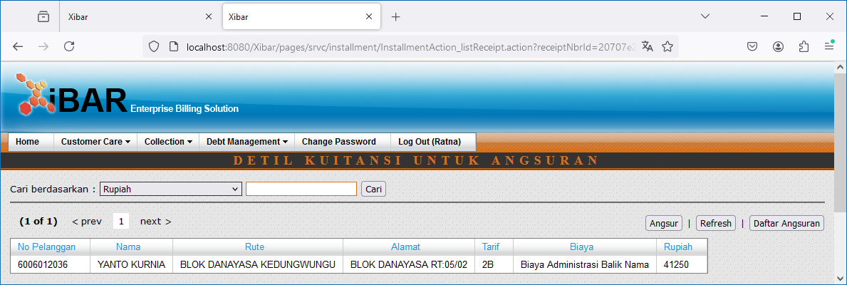

Angsur

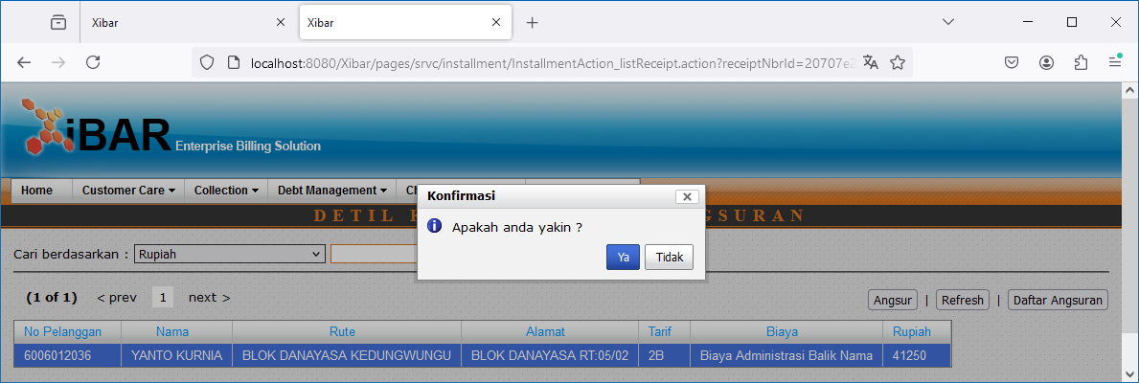

Daftar Angsuran
http://localhost:8080/Xibar/pages/srvc/installment/InstallmentAction_list.action

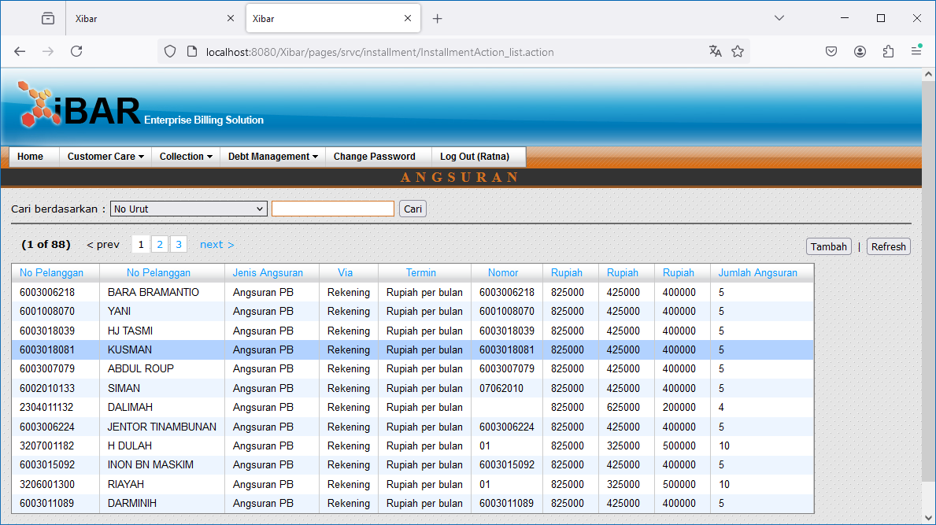

Double Click
http://localhost:8080/Xibar/pages/srvc/installment/InstallmentAction_listDetail.action?extraId=01b83c0d-4aa6-4530-9a35-929c39af83e9

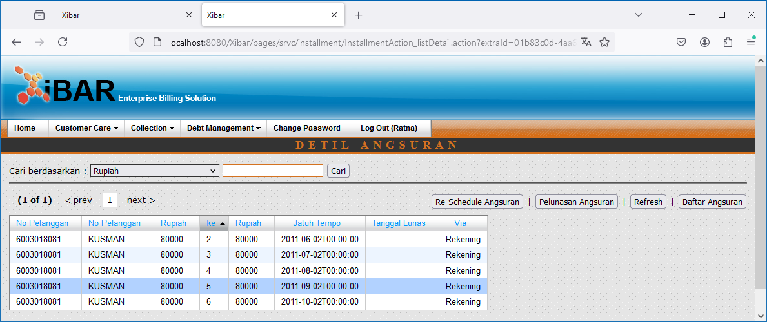

Double Click

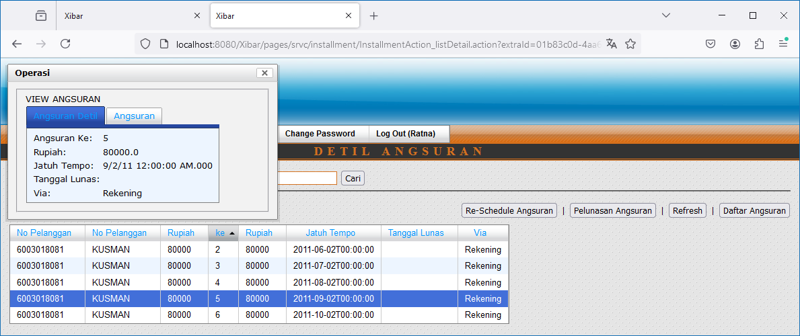
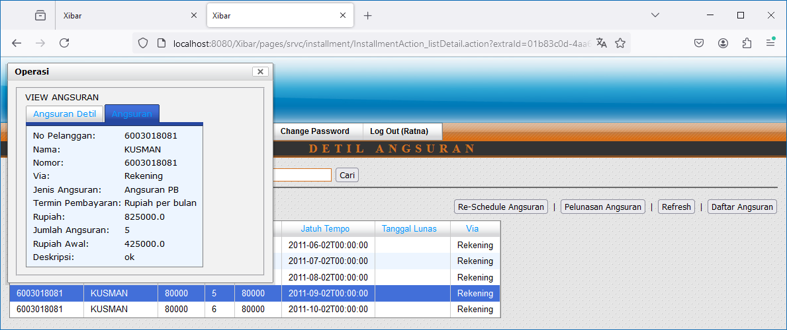

Re-Schedule Angsuran

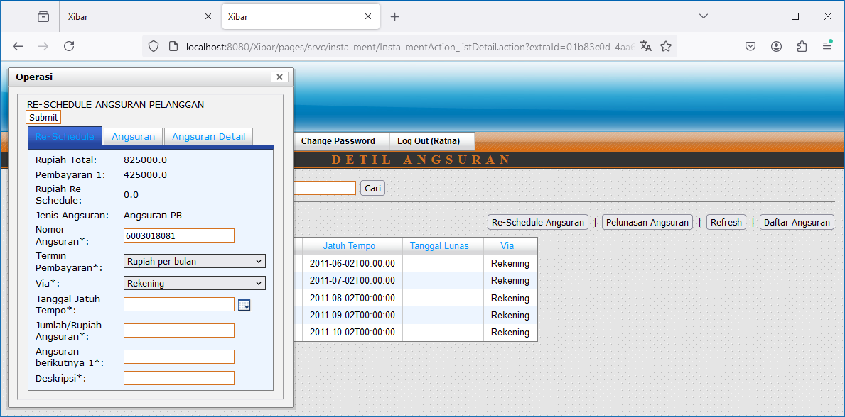
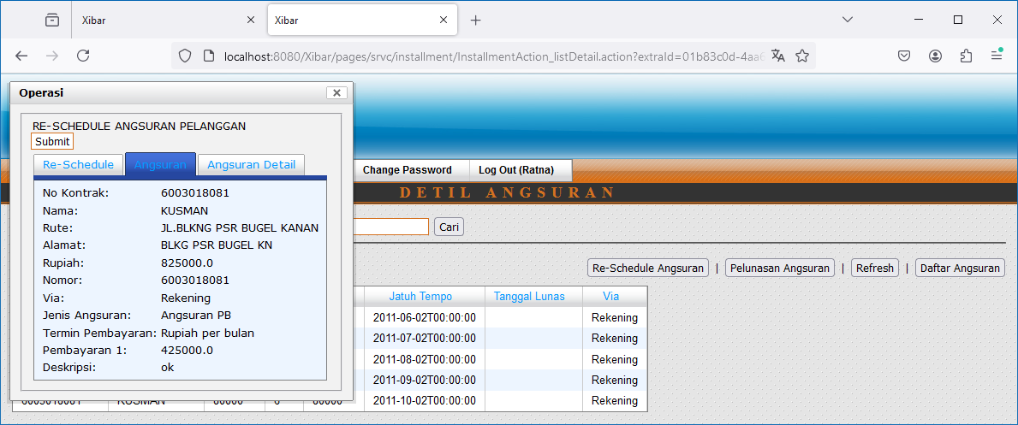
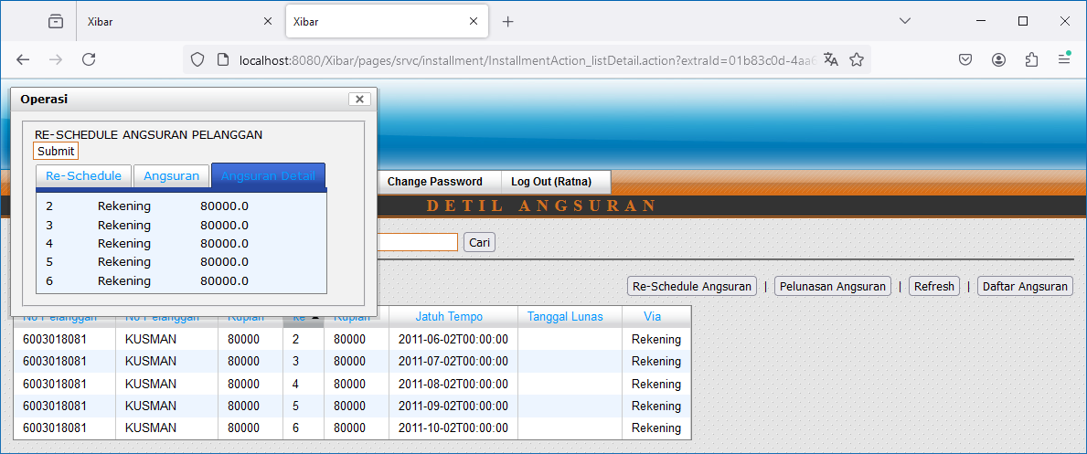

Pelunasan Angsuran
http://localhost:8080/Xibar/pages/srvc/installment/collection/InstallmentCollectionAction_list.action?installmentId=01b83c0d-4aa6-4530-9a35-929c39af83e9

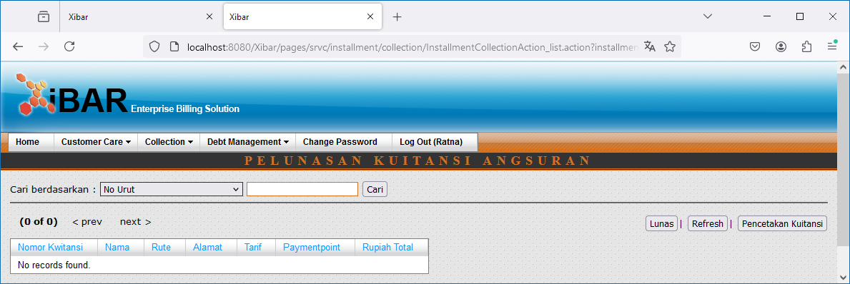

Pencetakan Kuitansi
http://localhost:8080/Xibar/pages/srvc/installment/collection/InstallmentCollectionAction_detaillist.action?installmentId=01b83c0d-4aa6-4530-9a35-929c39af83e9

003
 | Customer Care | Penyambungan Kembali | Pembayaran Penyambungan Kembali
 | http://localhost:8080/Xibar/pages/srvc/collection/SrvcCollectionAction_list.action?changeCode=J

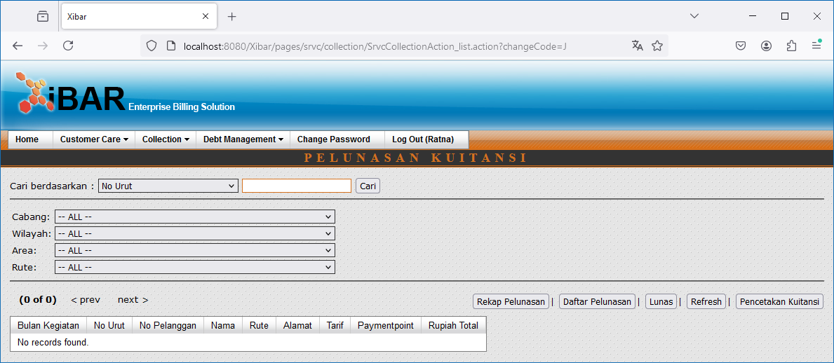

 | Pencetakan Kuitansi
 | http://localhost:8080/Xibar/pages/srvc/collection/SrvcCollectionAction_receiptlist.action?changeCode=J

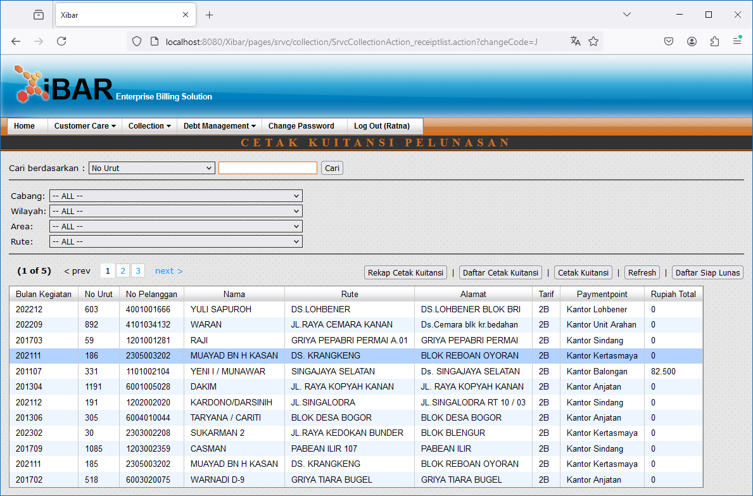

 | Double Click

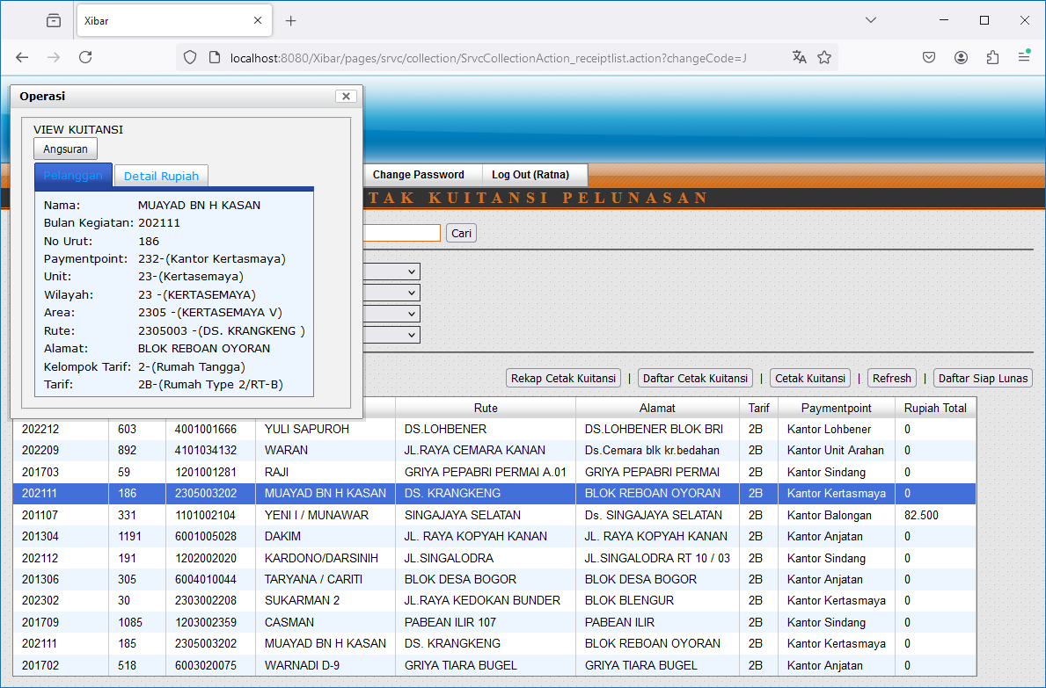
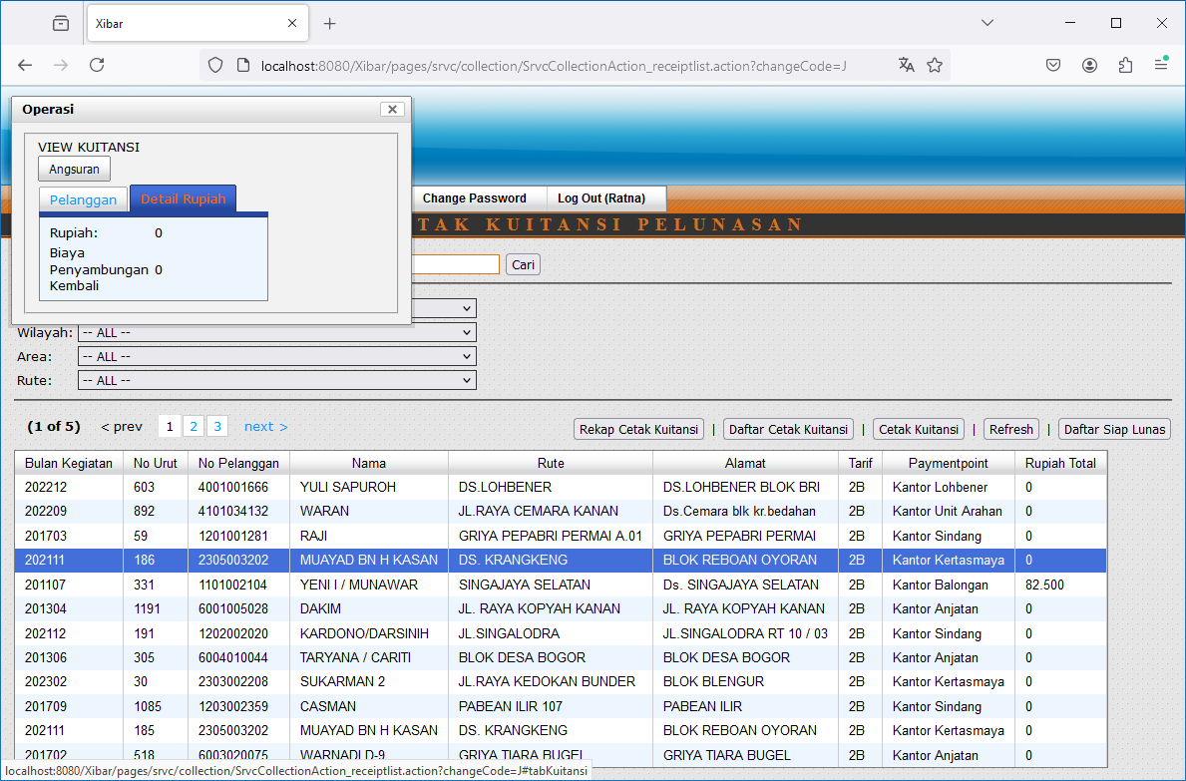

 | Angsuran
 | http://localhost:8080/Xibar/pages/srvc/installment/InstallmentAction_listReceipt.action?receiptNbrId=0f0ac6f6-4852-45d3-9a5d-58ae842f492b

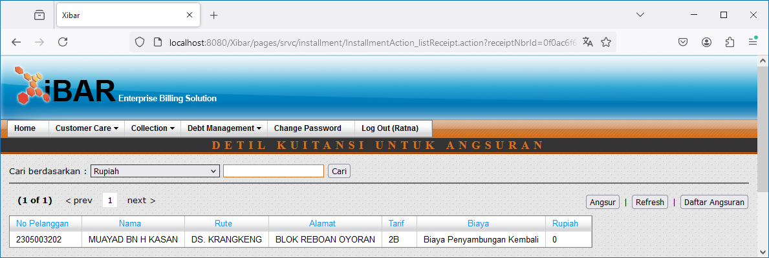

 | Angsur

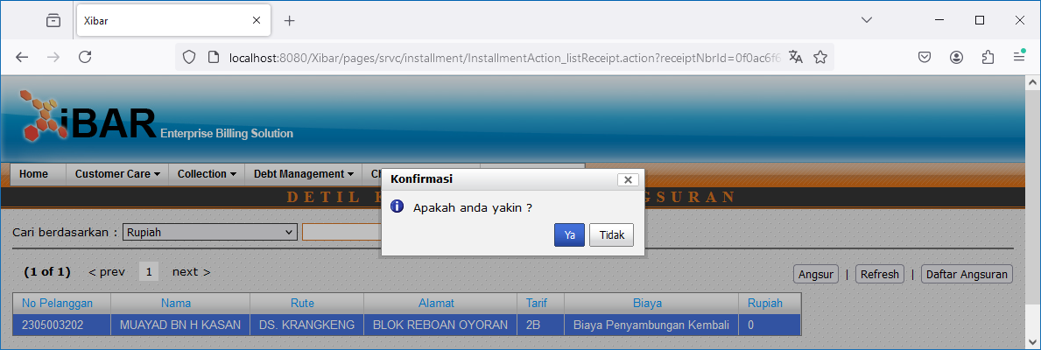

 | Daftar Angsuran
 | http://localhost:8080/Xibar/pages/srvc/installment/InstallmentAction_list.action

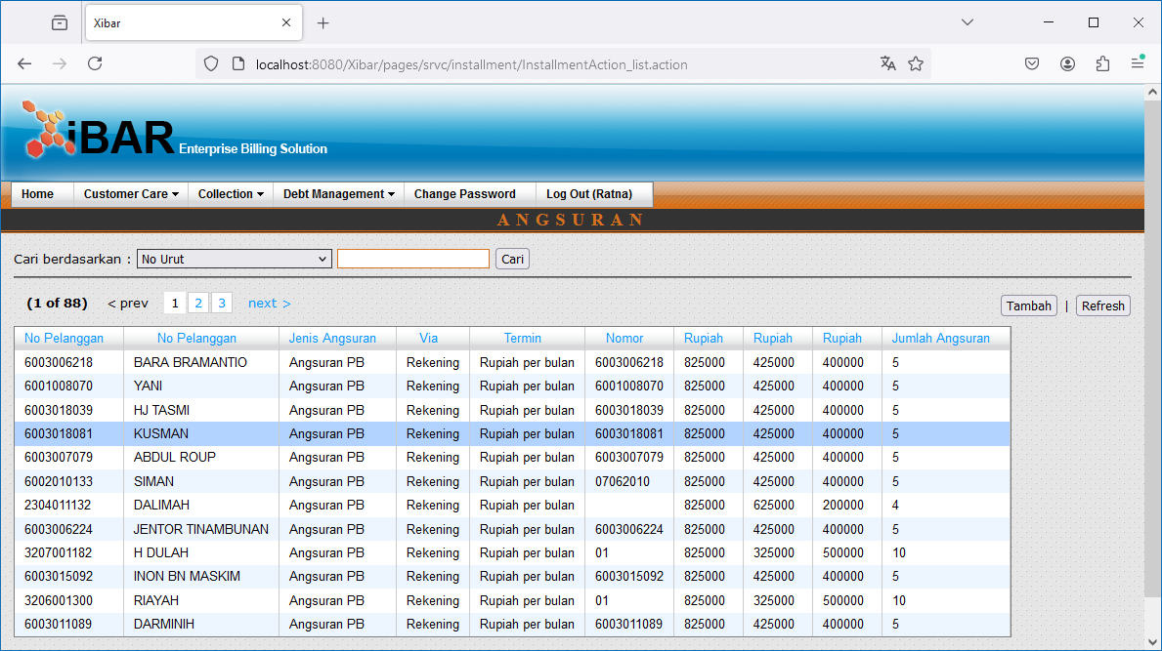

 | Double Click
 | http://localhost:8080/Xibar/pages/srvc/installment/InstallmentAction_listDetail.action?extraId=01b83c0d-4aa6-4530-9a35-929c39af83e9

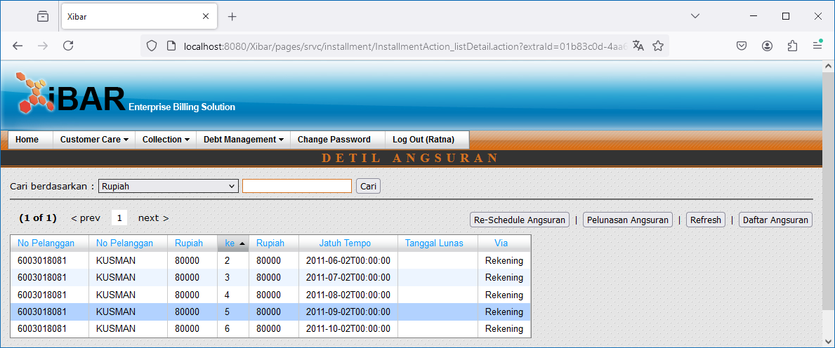

a | Pelunasan Angsuran
 | http://localhost:8080/Xibar/pages/srvc/installment/collection/InstallmentCollectionAction_list.action?installmentId=01b83c0d-4aa6-4530-9a35-929c39af83e9

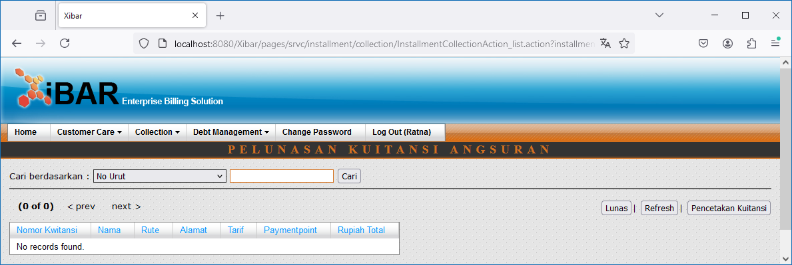

 | Pencetakan Kuitansi
 | http://localhost:8080/Xibar/pages/srvc/installment/collection/InstallmentCollectionAction_detaillist.action?installmentId=01b83c0d-4aa6-4530-9a35-929c39af83e9

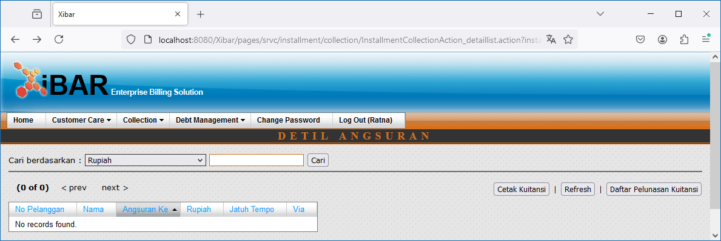

 | Daftar Pelunasan Kuitansi
 | BACK TO a

004
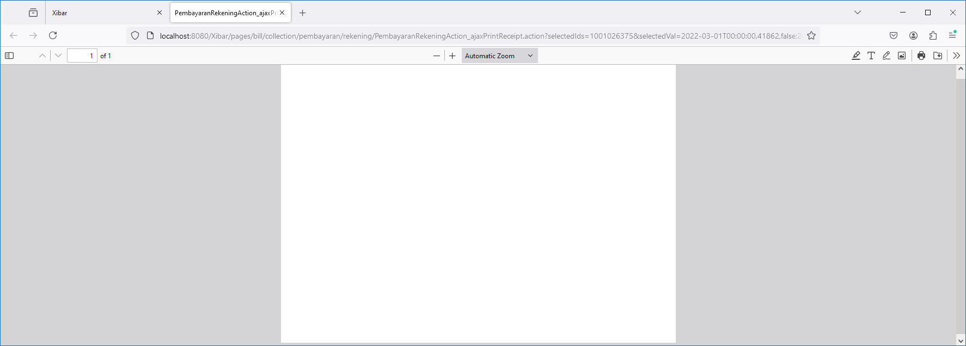
Collection | Pembayaran Rekening
http://localhost:8080/Xibar/pages/bill/collection/pembayaran/rekening/PembayaranRekeningAction_list.action

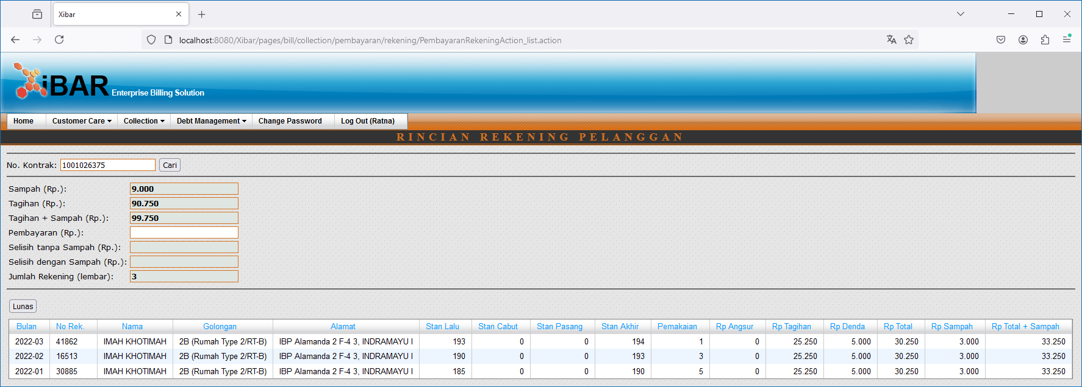

Lunas
http://localhost:8080/Xibar/pages/bill/collection/pembayaran/rekening/PembayaranRekeningAction_ajaxPrintReceipt.action?selectedIds=1001026375&selectedVal=2022-03-01T00:00:00,41862,false;2022-02-01T00:00:00,16513,false;2022-01-01T00:00:00,30885,false&windowLocationProtocol=http:&windowLocationHost=localhost:8080&extraContextPath=/Xibar

001 (114)
Collection | Pembayaran Rekening Kolektif
http://localhost:8080/Xibar/pages/bill/collection/pembayaran/kolektif/PembayaranKolektifAction_list.action

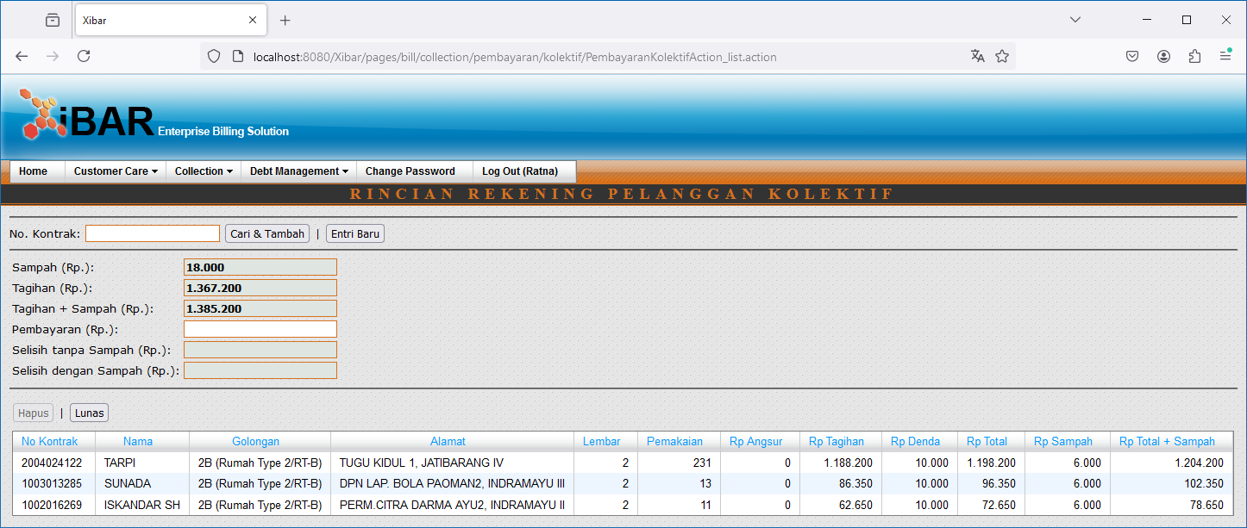

 | 2004024122
 | 1003013285
 | 1002016269

Lunas

